Sheet1
Assignment | Possible Points | Points earned
Exam 1 | 30
Exam 2 | 30
Tech | 10
Final | 60
Lab Reports | – | –
Tylenol | – | –
Xral/MP | 20
TLC | 20
Acid | 20
IR | 20
Model | 20
Distill | 20
SN Lab | 20
Extract | 20
13C | 20
1H | 20
Dehydr | 20
Prelabs | – | –
TLC | 5
ACID | 5
IR | 5
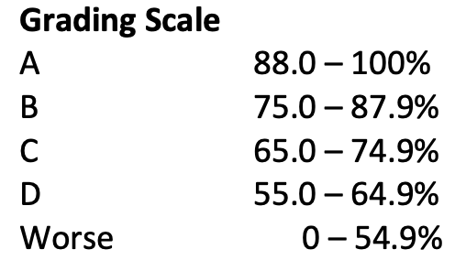
Model | 5
Sub | 5
Distillation | 5
Extract | 5
C13/DEPT | 5
1H NMR | 5
Dehyd | 5

Total | 400 | 0 | 0%
 |  | Your Score

